Table 2
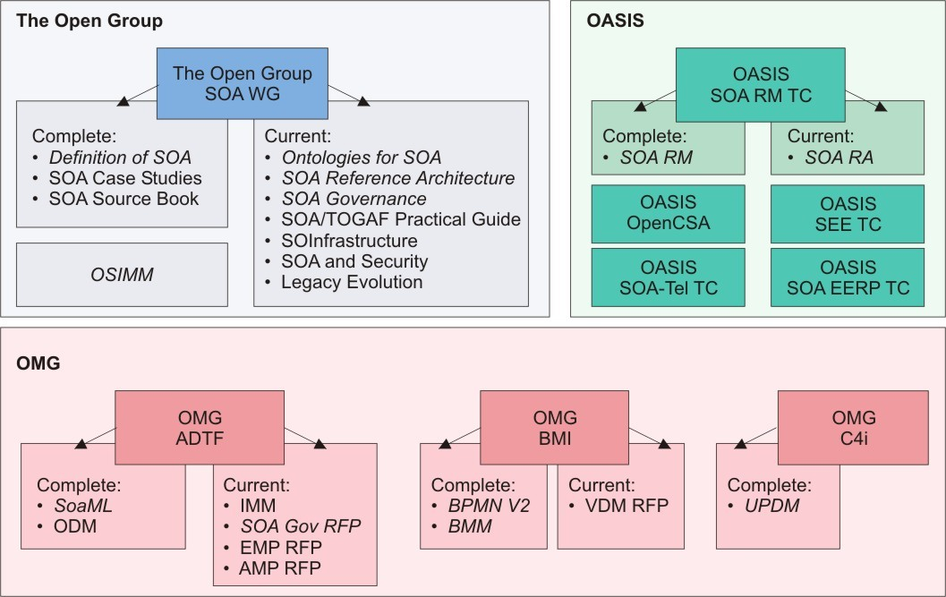
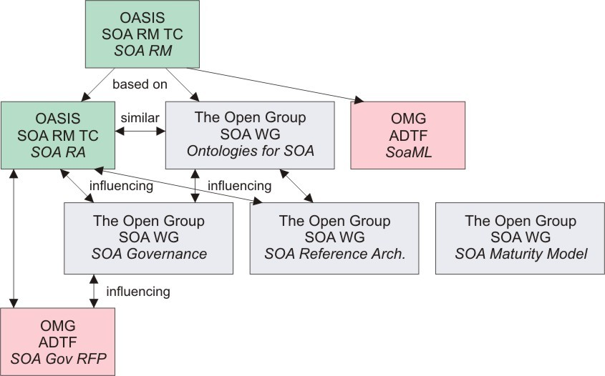
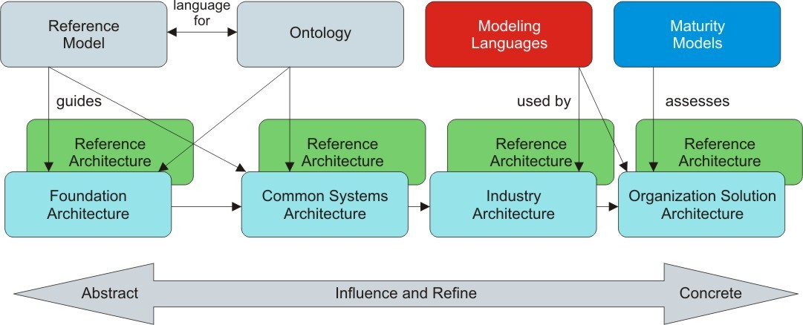 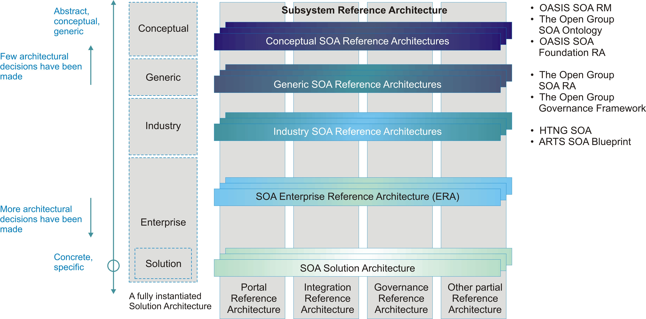 Open Standards Work on SOA Governance SOA Governance frameworks are defined both in The Open Group SOA Governance Framework [15] and as a chapter in the OASIS Reference Architecture for SOA Foundation [6]. The OMG SOA Governance RFP development group [36] is also exploring the standardization of SOA governance. While the understanding of SOA governance provided by these works is similar, they are written from different perspectives. Each specification supports the same range of opportunity, but has provided different depths of detail for the perspectives on which they focus. The following table outlines some of the aspects of the governance specifications that had different emphasis.
Organization | OASIS Reference Architecture for SOA | The Open Group SOA Governance Framework
Abstractness | More abstract, covering wide range of concepts but not detailing any particular one. | More concrete, providing more detail for specific conditions.
Goals | Focus on conveying understanding of SOA governance. | Focus on guidance for architects adding governance to SOA processes.
Boundaries | Focus on governance among peers across ownership boundaries. | Focus on governance within an organization.
Controlling Body | Focus on coordination among peers with controlling body being facilitator running framework for coordination. | Focus on coordination among peers who are subordinate to controlling body.
Target of Governance | Focus on SOA infrastructure, service inventory, and participant interaction. | Focus on service and SOA solution portfolio and lifecycle process.
SOA Governance Concepts These works define similar concepts for SOA governance, SOA governance frameworks, and SOA governance reference models: • SOA Governance is an enhancement of enterprise governance that recognizes the distinct concerns of SOA, particularly sharing of services/capabilities across organizational boundaries, that ensures continued alignment of business goals and SOA solutions. It covers the definitions of standards, guidelines, policies, and metrics for current SOA processes which are monitored with compliance processes. • SOA Governance Framework includes organizational, technology, and process governance customized for an organization. • SOA Governance Reference Model (The Open Group) and Generic Model for Governance (OASIS) establish the core concepts of SOA governance and the relationships between them. Many of these core concepts are core to governance in general and not specific to SOA. As a result of different perspectives, there is different emphasis, focus, and detail in the reference models. The core concepts are very similar in both reference models and are summarized and compared in this section: • EA Governance – We agree that IT, EA, and SOA governance influence each other. We agree that if an EA is available, then it should provide a foundation for governance; if no EA work has
been done, then much of that work will become part of the SOA and SOA governance work. • People – We agree that SOA governance involves roles including stakeholders, where the stakeholders may include organizations, boards, and other groupings that facilitate defining and assigning the responsibilities of governance. • Technology – We agree that it includes technology for enabling SOA governance. We agree that SOA governance should provide guidance to and ensure that SOA IT infrastructure used as part of SOA is used according to policies, rules, and regulations. We agree that SOA and SOA governance influence IT infrastructure and IT governance. • Guiding Principles – We agree that The Open Group guiding principles are roughly the same as the OASIS policies, and provide a means for aligning business and SOA objectives and influencing how SOA governance is defined and deployed. • Roles – We agree that roles and responsibilities should be considered as part of an organization’s SOA and that participants in SOA include stakeholders, leadership, and governance bodies. • Governing Processes – We agree that it must be possible to assess compliance and respond appropriately, where the response may be recognition/benefits for exemplary compliance, dispensation where flexibility enables accounting for local conditions, or penalties where compliance targets are missed. The actions of governance must also be communicated to the stakeholders. The governing processes are enabled by the implementation of: o Checkpoints – We agree that checkpoints – identified stop points to check for governance compliance – can be used to enable governance of SOA solutions. o Metrics – We agree that metrics should be identified and collected to support compliance and monitoring. We agree that metrics should be available to relevant stakeholders. o Artifacts – We agree that governance is supported by artifacts which include service descriptions, policies, and documentation on t

Guidance and Usage of Technical Products Which architecture-related technical products are relevant to you depends on what you are trying to achieve on a project and in your organization. It also depends on your existing experience with SOA and your organization’s experience with SOA (i.e., level of maturity – the SOA maturity model, OSIMM, can provide some insight on this). In this section we provide advice based on what a reader is looking to learn or understand. We recognize that there are other valid approaches to understanding and using these specifications, and that the approach that is most effective depends on the stakeholders, their needs, and particular viewpoints. Core Concepts 1. Understanding SOA core concepts: The OASIS Reference Model for SOA [5] provides a common vocabulary for understanding the “essence” of SOA. It is, by design, a highly abstract model targeting a large, cross-cutting audience that includes non-technical readers as much as it does technical readers. The Open Group SOA Ontology [14] builds on the OASIS Reference Model for SOA and provides additional SOA concepts and relationships taken from the viewpoints of different stakeholders as well as an enterprise-wide perspective. It also provides as a common language for formally describing SOA concepts that can be leveraged by abstract as well as solution-oriented reference architectures. Other specifications [6] [9] [16] [17] also articulate core SOA concepts to provide context for their specifications; these concepts are consistent with the SOA concepts outlined in this document. Architectures 2. Understanding the different elements of an SOA: The Open Group SOA Reference Architecture [17] defines the key architectural elements in SOA and the key relationships between these elements relevant to enterprises. The OASIS Reference Architecture for SOA Foundation [6] does this as well for the SOA ecosystem and ownership viewpoints. 3. Understanding considerations for cross-owne

7. Understanding the implications of architectural decisions: The Open Group SOA Reference Architecture [17] provides guidance to SOA designers and implementers by providing a concrete basis for making architectural and design decisions. It provides a model and framework for evaluating architectural concerns for designing an SOA. 8. Understanding how to position vendor products in an SOA context: The Open Group SOA Reference Architecture [17] provides a layered stack with architectural building blocks and capabilities that map naturally to vendor products available to support SOA. 9. Understanding SOA governance: Both The Open Group SOA Governance Framework [15] and the OASIS Reference Architecture for SOA Foundation [6] contain very similar basic concepts of SOA governance. There are some differences in the targets of SOA governance. The Open Group SOA Governance Framework focuses on governing SOA processes which call into scope the service portfolio and IT infrastructure that the SOA is deployed onto. The OASIS Reference Architecture for SOA Foundation focuses on governing services and IT infrastructure directly. The Open Group SOA Governance Framework also provides guidance on the deployment of SOA governance in an enterprise in an iterative, progressive cycle. Maturity 10. Understanding the level of SOA maturity in an organization: OSIMM [16] provides an SOA integration maturity model that describes the scope of SOA, so that companies can understand what SOA features they are using and the ones they want to use. Modeling Languages 11. Understanding representing SOA artifacts in UML: The OMG SoaML [9] provides a profile that extends UML for modeling SOA artifacts and services for your SOA as part of the transformation from a reference architecture to your SOA solution architecture. These models can be considered the result of following governed processes for creating and evaluating the SOA.
Summary An abundance of specifications and standards have emerged from the open standards organizations of OASIS, OMG, and The Open Group on the subject of Service Oriented Architecture (SOA). This document was written to help the SOA community at large to navigate the myriad of overlapping technical products produced by these organizations with specific emphasis on the “A” in SOA; i.e., Architecture. Fortunately, there is a great deal of agreement on the foundational core concepts across the many independent open specifications and standards for SOA. This could best be explained by broad and common experience of users of SOA and its maturity in the marketplace. It also provides assurance that investing in SOA-based business and IT transformation initiatives that incorporate and use these open specifications and standards helps to mitigate risks that might compromise a successful SOA solution. The specifications and standards described in this document can be used together in many complementary ways. An excellent example is incorporating the use modeling techniques into an SOA project by using SoaML in concert with an SOA reference architecture. In addition, the SOA reference models, ontology, and reference architectures described in this document can be used as input to requests for proposals (RFPs) that extend SoaML with additional modeling capabilities. Users of the technical products produced by the open standards organizations should make every effort possible to understand the strengths of each body of work and select the technical products most appropriate for their needs, consistent with where they are today, and where they plan to head on their SOA journeys. The Open Group Service Integration Maturity Model (OSIMM) can be used to help assess the SOA needs and goals of an organization or project and help gain insight into which of these specifications and standards is most relevant to the problem at hand. We anticipate continuing the collaborative effor
References Papers and Briefings [1] Design an SOA Solution Using a Reference Architecture, A. Arsanjani, L-J. Zhang, M. Ellis, A. Allam, K. Channabasavaiah; paper available on IBM developerWorks, March 2007: www.ibm.com/developerworks/library/ar-archtemp [2] Enterprise Reference Architecture, A. Fattah; paper presented at 22nd Enterprise Architecture Practitioners Conference, London, UK, April 2009: www.opengroup.org/london2009-apc/fattah.htm Also Via Nova Architectura Journal, May 2009: www.via-nova-architectura.org/magazine/magazine/enterprise-reference-architecture.html [3] A Translation Approach to Portable Ontology Specification. T.R. Gruber, Knowledge Acquisition, 5:199-220, 1993: tomgruber.org/writing/ontology-definition-2007.htm [4] OMG SOA SIG Activity, E. Harrington, presentation given at the SOA Summit, 21st Enterprise Architecture Practitioners Conference, San Diego, CA, US, February 2009: www.opengroup.org/sandiego2009-apc/harrington.html Formal Specifications, Standards, and RFPs [5] OASIS Reference Model for SOA, Version 1.0, OASIS Standard, October 2006: docs.oasis-open.org/soa-rm/v1.0/soa-rm.pdf [6] OASIS Reference Architecture for SOA Foundation, Version 1.0, OASIS Public Review Draft 1, April 2008: docs.oasis-open.org/soa-rm/soa-ra/v1.0/soa-ra-pr-01.pdf [7] OMG Agent Metamodel and Profile (AMP) RFP: www.omg.org/cgi-bin/doc?ad/08-09-05 [8] OMG Event Metamodel and Profile (EMP) RFP: www.omg.org/cgi-bin/doc?ad/08-09-15 [9] OMG SOA Modeling Language (OMG SoaML) Specification for the UML Profile and Metamodel for Services (UPMS), Revised Submission, OMG Doc. No.: ad/2008-11-01, Object Management Group (OMG), November 2008: www.omg.org/cgi-bin/doc?ad/08-11-01 [10] OMG Unified Modeling Language (OMG UML), Superstructure, Version 2.2, OMG Doc. No.: formal/2009-02-02, Object Management Group (OMG), February 2009: www.omg.org/spec/UML/2.2/Superstructure [11] The Open Group Arch

[16] The Open Group Service Integration Maturity Model (OSIMM), Draft Technical Standard (to be published in 2009); refer to www.opengroup.org/projects/osimm [17] The Open Group SOA Reference Architecture (The Open Group SOA RA), Draft Technical Standard (to be published in 2009); refer to www.opengroup.org/projects/soa-ref-arch [18] Service Oriented Architecture (SOA), White Paper by The Open Group SOA Work Group, W074, July 2007; refer to www.opengroup.org/bookstore/catalog/w074.htm [19] Web Ontology Language (OWL), World Wide Web Consortium (W3C), April 2009: www.w3.org/2007/OWL/wiki/OWL_Working_Group [20] Model Driven Architecture (MDA) Guide, Version 1.0.1, Object Management Group (OMG), June 2003: www.omg.org/docs/omg/03-06-01.pdf Technical Committees, Work/Working Groups, Interest Groups [21] IEEE P1600.1 Standard Upper Ontology Working Group (SUO WG), IEEE, December 2003: suo.ieee.org [22] OASIS Open Composite Services Architecture (Open CSA) Member Section: www.oasis-opencsa.org [23] OASIS SOA-Related Technical Committees: www.oasis-open.org/committees/tc_cat.php?cat=soa [24] OASIS Semantic Execution Environment TC: www.oasis-open.org/committees/tc_home.php?wg_abbrev=semantic-ex [25] OASIS Service Component Architecture/Assembly (SCA-Assembly) TC: www.oasis-open.org/committees/tc_home.php?wg_abbrev=sca-assembly [26] OASIS Service Component Architecture/Bindings (SCA-Bindings) TC: www.oasis-open.org/committees/tc_home.php?wg_abbrev=sca-bindings [27] OASIS Service Component Architecture/BPEL (SCA-BPEL) TC: www.oasis-open.org/committees/tc_home.php?wg_abbrev=sca-bpel [28] OASIS Service Component Architecture/C and C++ (SCA-C-C++) TC: www.oasis-open.org/committees/tc_home.php?wg_abbrev=sca-c-cpp [29] OASIS Service Component Architecture/J (SCA-J) TC: www.oasis-open.org/committees/tc_home.php?wg_abbrev=sca-j [30] OASIS Service Component Architecture/Policy (SCA-Policy) TC: www.oasis-ope

[36] OMG SOA Governance Metamodel and Profile (SGMP) Standard Wiki: www.omgwiki.org/soagov/doku.php [37] Service Oriented Architecture (SOA), White Paper by The Open Group SOA Work Group, W074, July 2007; refer to www.opengroup.org/bookstore/catalog/w074.htm [38] The Open Group SOA Work Group (SOA WG): www.opengroup.org/projects/soa [39] The Open Group SOA Governance Project: www.opengroup.org/projects/soa-governance [40] The Open Group SOA Reference Architecture Project: www.opengroup.org/projects/soa-ref-arch [41] The Open Group Service Oriented Infrastructure Project: www.opengroup.org/projects/soa-soi [42] The Open Group Service Oriented Infrastructure Reference Framework, Draft Technical Standard (to be published in 2009); refer to www.opengroup.org/projects/soa-soi [43] The Open Group Service Integration Maturity Model (OSIMM) Project:1 www.opengroup.org/projects/osimm [44] The Open Group SOA TOGAF Practical Guide Project: www.opengroup.org/projects/soa-togaf [45] The Open Group SOA and Security Project: www.opengroup.org/projects/soa-sec [46] The Open Group SOA Legacy Evolution Project: www.opengroup.org/projects/soa-legacy [47] ARTS XML SOA Blueprint for Retail, Version 1.1, Candidate Recommendation, Association for Retail Technology Standards (ARTS), National Retail Federation, July 2008: nrf-arts.org [48] Service-Oriented Realization of the HTNG Reference Architecture, Version 1.0, Hoteliers Technology Next Generation (HTNG), March 2009: www.htng.org and www.opengroup.org/htng/specs [49] World Wide Web Consortium (W3C): www.w3c.org [50] Business Modeling and Integration DTF (BMI), Object Management Group (OMG): bmi.omg.org [51] Business Process Modeling Notation (BPMN), Version 2, Object Management Group (OMG): www.omg.org/spec/BPMN [52] Business Motivation Model (BMM), Object Management Group (OMG): www.omg.org/spec/BMM [53] C4I (Consultation, Command, Control, Comm

About the Authors About the OASIS SOA-RM TC The OASIS SOA Reference Model Technical Committee (OASIS SOA-RM TC) advances a core reference model to guide and foster the creation of specific, service-oriented architectures. The group is part of OASIS (Organization for the Advancement of Structured Information Standards), a not-for- profit consortium that drives the development, convergence, and adoption of open standards for the global information society. More information is available at www.oasis-open.org/committees/soa-rm. About OMG OMG is an international, open membership, not-for-profit computer industry consortium. OMG Task Forces develop enterprise integration standards for a wide range of technologies, and an even wider range of industries. OMG’s modeling standards enable powerful visual design, execution, and maintenance of software and other processes. OMG’s middleware standards and profiles are based on the Common Object Request Broker Architecture (CORBA) and support a wide variety of industries. All of our specifications may be downloaded without charge from our website (www.omg.org). About The Open Group The Open Group is a vendor-neutral and technology-neutral consortium, whose vision of Boundaryless Information Flow will enable access to integrated information within and between enterprises based on open standards and global interoperability. The Open Group works with customers, suppliers, consortia, and other standards bodies. Its role is to capture, understand, and address current and emerging requirements, establish policies, and share best practices; to facilitate interoperability, develop consensus, and evolve and integrate specifications and Open Source technologies; to offer a comprehensive set of services to enhance the operational efficiency of consortia; and to operate the industry's premier certification service, including UNIX system certification. Further information on The Open Group can be found at www.opengroup.org.

